Example 1
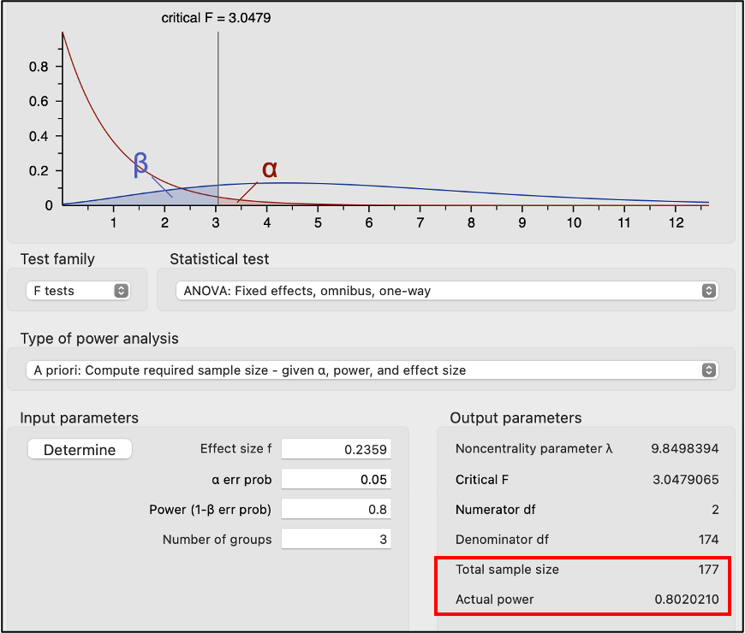
Method X | Method Y | Method Z | alpha | 0.05 |  |  | Eta-Squared | 0.0527
52 | 51 | 51 | n | 28 | =COUNT(A1:C11) |  | Cohen's f
44 | 45 | 47 | df num. | 2 | =k - 1
59 | 52 | 55 | df den. | 25 | =n - k
60 | 54 | 61 | CV F | 3.39 | =F.INV.RT(0.05,2,25)
44 | 51 | 51 |  | Reject the null hypothesis is F is greater than 3.39
55 | 58 | 60 | H0: | μΧ = μΥ = μΖ
60 | 48 | 48 | H1: | Not all of the treatment pairs are equal
52 | 45 | 48 | p-value: | 50.83% | =F.DIST.RT(I22,E3,E4)
55 | 55 | 55
57 |  |  |  | Anova: Single Factor
10 | 9 | 9 | n
53.80 | 51.00 | 52.89 | Mean | SUMMARY
5.92 | 4.42 | 5.18 | SD, s | Groups | Count | Sum | Average | Variance
 |  |  |  | Method X | 10 | 538 | 53.8 | 35.066666667
 |  |  |  | Method Y | 9 | 459 | 51 | 19.5
 |  |  |  | Method Z | 9 | 476 | 52.888888889 | 26.861111111

 |  |  |  | ANOVA
 |  |  |  | Source of Variation | SS | df | MS | F | P-value | F crit
 |  |  |  | Between Groups | 38.18968254 | 2 | 19.09484127 | 0.69538056547 | 0.50827782265 | 3.3851899614
 |  |  |  | Within Groups | 686.48888889 | 25 | 27.459555556

 |  |  |  | Total | 724.67857143 | 27

TOTAL
X | X | X | X - X̅G (52.607)
Method X | Method Y | Method Z | Method X | Method Y | Method Z |  | Method X | Method Y | Method Z
52 | 51 | 51 | -0.61 | -1.61 | -1.61 |  | 0.37 | 2.58 | 2.58
44 | 45 | 47 | -8.61 | -7.61 | -5.61 |  | 74.08 | 57.87 | 31.44
59 | 52 | 55 | 6.39 | -0.61 | 2.39 |  | 40.87 | 0.37 | 5.73
60 | 54 | 61 | 7.39 | 1.39 | 8.39 |  | 54.65 | 1.94 | 70.44
44 | 51 | 51 | -8.61 | -1.61 | -1.61 |  | 74.08 | 2.58 | 2.58
55 | 58 | 60 | 2.39 | 5.39 | 7.39 |  | 5.73 | 29.08 | 54.65
60 | 48 | 48 | 7.39 | -4.61 | -4.61 |  | 54.65 | 21.23 | 21.23
52 | 45 | 48 | -0.61 | -7.61 | -4.61 |  | 0.37 | 57.87 | 21.23
55 | 55 | 55 | 2.39 | 2.39 | 2.39 |  | 5.73 | 5.73 | 5.73
57 | --- | --- | 4.39 | --- | --- |  | 19.3 | --- | ---
 |  |  |  |  |  |  |  | Total = | 724.68

Method X | Method Y | Method Z |  | Method X | Method Y | Method Z |  | Method X | Method Y | Method Z
52 | 51 | 51 |  | -1.8 | 0 | -1.89 |  | 3.24 | 0.00 | 3.57
44 | 45 | 47 |  | -9.80 | -6.00 | -5.89 |  | 96.04 | 36.00 | 34.68
59 | 52 | 55 |  | 5.20 | 1.00 | 2.11 |  | 27.04 | 1.00 | 4.46
60 | 54 | 61 |  | 6.20 | 3.00 | 8.11 |  | 38.44 | 9.00 | 65.79
44 | 51 | 51 |  | -9.80 | 0.00 | -1.89 |  | 96.04 | 0.00 | 3.57
55 | 58 | 60 |  | 1.20 | 7.00 | 7.11 |  | 1.44 | 49.00 | 50.57
60 | 48 | 48 |  | 6.20 | -3.00 | -4.89 |  | 38.44 | 9.00 | 23.90
52 | 45 | 48 |  | -1.80 | -6.00 | -4.89 |  | 3.24 | 36.00 | 23.90
55 | 55 | 55 |  | 1.20 | 4.00 | 2.11 |  | 1.44 | 16.00 | 4.46
57 | --- | --- | n | 3.20 | --- | --- |  | 10.24 | --- | ---
10 | 9 | 9 | Mean |  |  |  |  |  | SSE = | 686.50
53.8 | 51 | 52.89 | SD, s |  |  |  |  |  | SSB (Total - SSE) = | 38.18
5.92 | 4.42 | 5.18
 |  |  |  | ANOVA By Hand |  |  |  | Mean Squares
 |  |  |  | Source of Variation |  | SS | df | MS | F
 |  |  |  | Between Groups: Total – SSW |  | 38.19 | 2 | 19.09 | 0.695
 |  |  |  | Within Groups: Σ(Χ - X̅Τ)2 |  | 686.49 | 25 | 27.46
 |  |  |  | Total: Σ(Χ - X̅G)2 |  | 724.68 | 28

 |  |  |  | ANOVA By Hand |  |  |  | Mean Squares
 |  |  |  | Source of Variation |  | SS | df | MS | F
 |  |  |  | Between Groups: Total – SSW |  | Total - SSW | k - 1 | SSB/df | MSWB/MSW
 |  |  |  | Within Groups: Σ(Χ - X̅Τ)2 |  | Σ(Χ - X̅Τ)2 | n - k | SSW/df
 |  |  |  | Total: Σ(Χ - X̅G)2 |  | Σ(Χ - X̅G)2 | n - 1

Example 2
 | Jittery Joe | Caffeine Carl | Muriel Bristol's |  | Alpha | 0.05
1 | $1,503 | $1,755 | $1,588 |  | H0: | μJ = μC = μM
2 | $1,495 | $1,655 | $1,517 |  | H1: | At least one pair of the treatment means are not equal
3 | $1,565 | $1,755 | $1,537
4 | $1,625 | $1,525 | $1,625 |  | Anova: Single Factor
5 | $1,495 | $1,333 | $1,540
6 | $1,702 | $1,755 | $1,602 |  | SUMMARY
7 | $1,500 | $1,465 | $1,574 |  | Groups | Count | Sum | Average | Variance
8 | $1,450 | $1,777 | $1,595 |  | Jittery Joe | 66 | 99361 | 1505.469697 | 15253.237529
9 | $1,325 | $1,426 | $1,555 |  | Caffeine Carl | 66 | 99278 | 1504.2121212 | 31982.569697
10 | $1,685 | $1,553 | $1,532 |  | Muriel Bristol's | 66 | 104050 | 1576.5151515 | 2405.1151515
11 | $1,503 | $1,495 | $1,555
12 | $1,703 | $1,475 | $1,555
13 | $1,410 | $1,358 | $1,551 |  | ANOVA
14 | $1,502 | $1,420 | $1,555 |  | Source of Variation | SS | df | MS | F | P-value | F crit
15 | $1,455 | $1,423 | $1,543 |  | Between Groups | 226088.85859 | 2 | 113044.42929 | 6.8317281717 | 0.0013562848646 | 3.0422298969
16 | $1,399 | $1,335 | $1,518 |  | Within Groups | 3226659.9545 | 195 | 16546.974126
17 | $1,503 | $1,301 | $1,532
18 | $1,498 | $1,525 | $1,524 |  | Total | 3452748.8131 | 197
19 | $1,586 | $1,333 | $1,588
20 | $1,550 | $1,775 | $1,573
21 | $1,398 | $1,777 | $1,752
22 | $1,402 | $1,495 | $1,620
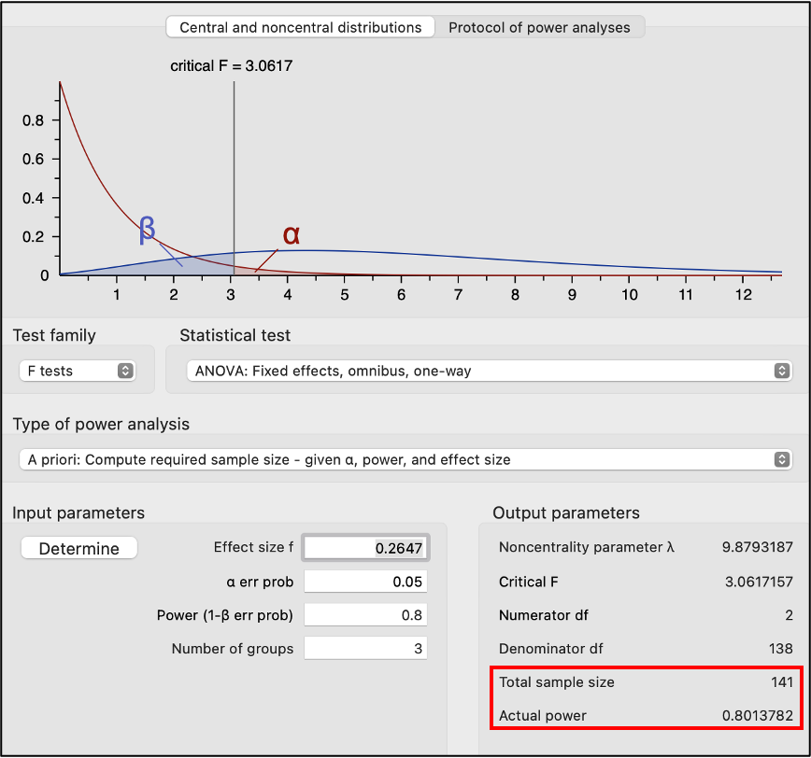
23 | $1,650 | $1,335 | $1,525
24 | $1,455 | $1,459 | $1,519
25 | $1,565 | $1,403 | $1,612
26 | $1,503 | $1,425 | $1,567
27 | $1,575 | $1,436 | $1,618
28 | $1,425 | $1,354 | $1,608
29 | $1,552 | $1,402 | $1,715
30 | $1,547 | $1,485 | $1,578
31 | $1,386 | $1,726 | $1,604
32 | $1,235 | $1,595 | $1,632
33 | $1,799 | $1,279 | $1,600
34 | $1,250 | $1,675 | $1,603
35 | $1,497 | $1,411 | $1,595
36 | $1,498 | $1,428 | $1,592
37 | $1,475 | $1,802 | $1,575
38 | $1,445 | $1,565 | $1,532
39 | $1,359 | $1,795 | $1,555
40 | $1,403 | $1,875 | $1,555
41 | $1,402 | $1,875 | $1,532
42 | $1,566 | $1,755 | $1,616
43 | $1,450 | $1,685 | $1,539
44 | $1,027 | $1,324 | $1,632
45 | $1,345 | $1,322 | $1,552
46 | $1,551 | $1,625 | $1,558
47 | $1,498 | $1,355 | $1,574
48 | $1,602 | $1,358 | $1,525
49 | $1,598 | $1,315 | $1,539
50 | $1,402 | $1,495 | $1,552
51 | $1,545 | $1,375 | $1,560
52 | $1,552 | $1,695 | $1,622
53 | $1,648 | $1,350 | $1,709
54 | $1,703 | $1,375 | $1,585
55 | $1,755 | $1,785 | $1,620
56 | $1,545 | $1,350 | $1,563
57 | $1,550 | $1,288 | $1,555
58 | $1,553 | $1,325 | $1,555
59 | $1,535 | $1,810 | $1,711
60 | $1,553 | $1,320 | $1,535
61 | $1,549 | $1,333 | $1,575
62 | $1,402 | $1,325 | $1,535
63 | $1,555 | $1,322 | $1,565
64 | $1,501 | $1,455 | $1,540
65 | $1,543 | $1,350 | $1,535
66 | $1,558 | $1,550 | $1,550
 |  |  |  | 66

MegaStat Output
One factor ANOVA

 | Mean | n | Std. Dev
 | 1,505.5 | 66 | 123.50 | Jittery Joe
 | 1,504.2 | 66 | 178.84 | Caffeine Carl
 | 1,576.5 | 66 | 49.04 | Muriel Bristol's
 | 1,528.7 | 198 | 132.39 | Total

ANOVA table
Source | SS | df | MS | F | p-value
Treatment | 226,088.86 | 2 | 113,044.429 | 6.83 | 0000
Error | 3,226,659.95 | 195 | 16,546.974
Total | 3,452,748.81 | 197

Post hoc analysis
p-values for pairwise t-tests
 |  | Caffeine Carl | Jittery Joe | Muriel Bristol's
 |  | 1,504.2 | 1,505.5 | 1,576.5
Caffeine Carl | 1,504.2
Jittery Joe | 1,505.5 | 0001
Muriel Bristol's | 1,576.5 | 0000 | 0000

Tukey simultaneous comparison t-values (d.f. = 195)
 |  | Caffeine Carl | Jittery Joe | Muriel Bristol's
 |  | 1,504.2 | 1,505.5 | 1,576.5
Caffeine Carl | 1,504.2
Jittery Joe | 1,505.5 | 0.06
Muriel Bristol's | 1,576.5 | 3.23 | 3.17

critical values for experimentwise error rate:
 |  | 0.05 | 2.38
 |  | 0.01 | 2.97

Comparison of Groups
Jittery Joe | $1,503 | $1,495 | $1,565 | $1,625 | $1,495 | $1,702 | $1,500 | $1,450 | $1,325 | $1,685 | $1,503 | $1,703
Caffeine Carl | $1,755 | $1,655 | $1,755 | $1,525 | $1,333 | $1,755 | $1,465 | $1,777 | $1,426 | $1,553 | $1,495 | $1,475
Muriel Bristol's | $1,588 | $1,517 | $1,537 | $1,625 | $1,540 | $1,602 | $1,574 | $1,595 | $1,555 | $1,532 | $1,555 | $1,555

